Tab1
Picture | Style # | Model | XS | S | M | L | XL | XXL | Total QTY | Preis/Price | UVP/RRP
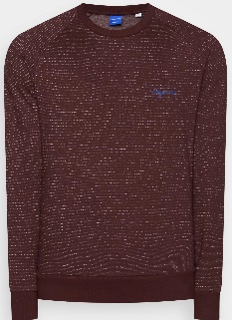 | 12144144 | JORHIDE SWEAT CREW NECK TEE PORT ROYALE | 69 | 345 | 483 | 414 | 276 | 69 | 1,587 | € 9.53 | € 25.00
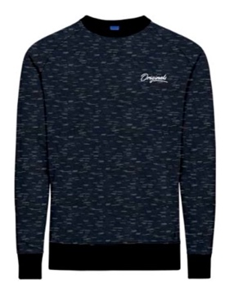 | 12144144 | JORHIDE SWEAT CREW NECK TEE Navy Blazer | 120 | 600 | 840 | 720 | 480 | 120 | 2,760 | € 9.53 | € 25.00
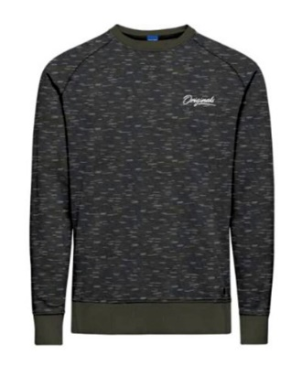 | 12144144 | JORHIDE SWEAT CREW NECK TEE Oatmeal | 150 | 750 | 1050 | 900 | 600 | 150 | 3,450 | € 9.53 | € 25.00
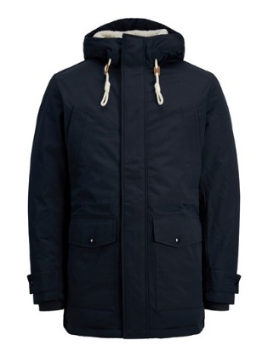 | 12211771 | JJEMASH TEDDY PARKA SN Dark navy |  | 36 | 72 | 72 | 36 |  | 216 | € 27.85 | € 100.00

